Sheet1
title | Language Models are Unsupervised Multitask Learners
author | Alec Radford Jeffrey Wu Rewon Child David Luan Dario Amodei Ilya Sutskever
abstract | train the model on a larger dataset called WebText
 | zero-shot
introduction | the dominant approach to creating ML systems is to collect a dataset of training examples demonstrating correct behavior for a desired task
 | the prevalence of single task training on single domain datasets is a major contributor to the lack of generalization observed in current systems
 | multitask learning
approach | GPT v1 | pre-train | natural text
 |  | downstream task | add some special symbols such as STRART and so on
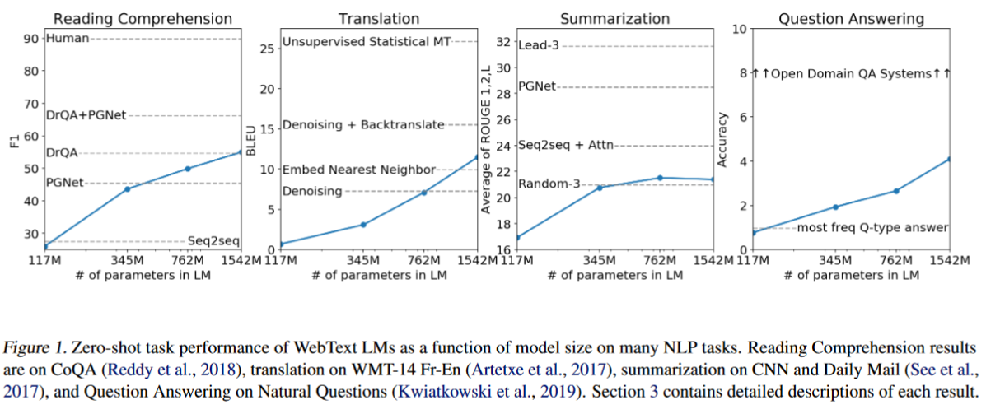
 | GPT v2 | pre-train | natural text
 |  | downstream task | natural text
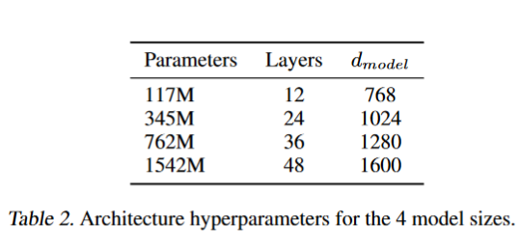
 | training dataset | reddit dataset

